epoch test
xx=RBM(0.02,hidden_size=1,CDk=1,n_epochs=2 )
[ 0.90589434 0.33783332 0.88965906] [ 0.49952947 0.50168916 0.50444818]

 | input |  |  |  |  | p(x~)
0.90589434 | 0.33783332 | 0.33783332 |  |  | 0.49952947 | 0.50168916 | 0.50444818

Example 1 |  |  |  |  |  |  |  | Example 2
xx=RBM(0.02,hidden_size=1,CDk=1,n_epochs=100 ) |  |  |  |  |  |  |  | xx=RBM(0.02,hidden_size=1,CDk=1,n_epochs=100 )
0.87329105434 | 0.65108740482 | 0.57530824005 | k | 0 | 0.47431591414 | 0.51017432629 | 0.49481083124 | 0.31244765015 | 0.83648042207 | 0.77317016877 | k | 0 | 0.47431591414 | 0.51017432629 | 0.49481083124
 |  |  |  | 1 | 0.47867269136 | 0.50843036893 | 0.4926877075 |  |  |  |  | 1 | 0.50156223317 | 0.50418230457 | 0.49886585279
Ex1 sampled p(x)
Ex2 sampled p(x)
 |  |  |  | 2 | 0.50809865747 | 0.49976631109 | 0.49362996827 |  |  |  |  | 2 | 0.49968671479 | 0.5075466332 | 0.49659760505
Ex1 Input
Ex2 Input
 |  |  |  | 3 | 0.51619306664 | 0.49953262228 | 0.49225986557 |  |  |  |  | 3 | 0.49937342983 | 0.51009304143 | 0.4981951129
 |  |  |  | 4 | 0.50295780575 | 0.51272735123 | 0.48358196143 |  |  |  |  | 4 | 0.47493669374 | 0.52198556616 | 0.49846915814
 |  |  |  | 5 | 0.54040850812 | 0.50383148036 | 0.48315449604 |  |  |  |  | 5 | 0.50343351979 | 0.51273327788 | 0.50798708319
 |  |  |  | 6 | 0.52596546898 | 0.51353659972 | 0.47025318106 |  |  |  |  | 6 | 0.50780636889 | 0.51282762886 | 0.51118100344
 |  |  |  | 7 | 0.53648904952 | 0.51132602981 | 0.46043667909 |  |  |  |  | 7 | 0.50874178014 | 0.51210489331 | 0.51324072723
 |  |  |  | 8 | 0.57169487398 | 0.50219571875 | 0.45368860398 |  |  |  |  | 8 | 0.506240253 | 0.51056490325 | 0.51416683752
 |  |  |  | 9 | 0.55555346857 | 0.51166827815 | 0.43463129875 |  |  |  |  | 9 | 0.47461585114 | 0.51837554624 | 0.50877303242
 |  |  |  | 10 | 0.56409376134 | 0.50922372073 | 0.42362292564 |  |  |  |  | 10 | 0.47025156799 | 0.51520315906 | 0.51242987979
 |  |  |  | 11 | 0.57197589673 | 0.50503440437 | 0.41063267681 |  |  |  |  | 11 | 0.48810996655 | 0.50603824571 | 0.52013526054
 |  |  |  | 12 | 0.60404163116 | 0.48892589919 | 0.40070723886 |  |  |  |  | 12 | 0.45130272926 | 0.51639721347 | 0.52133404989
 |  |  |  | 13 | 0.61523930087 | 0.48125356066 | 0.3839208573 |  |  |  |  | 13 | 0.46223573709 | 0.51059700494 | 0.53672616328
 |  |  |  | 14 | 0.60134786053 | 0.4820043948 | 0.36063477255 |  |  |  |  | 14 | 0.41904699721 | 0.52430877269 | 0.54063516403
 |  |  |  | 15 | 0.61136930484 | 0.47584698695 | 0.34524255091 |  |  |  |  | 15 | 0.3982043813 | 0.52703758408 | 0.54855920641
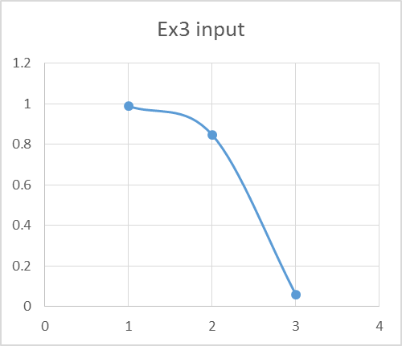
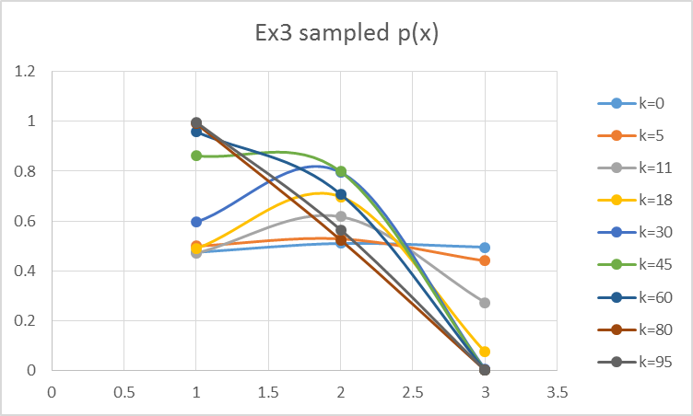
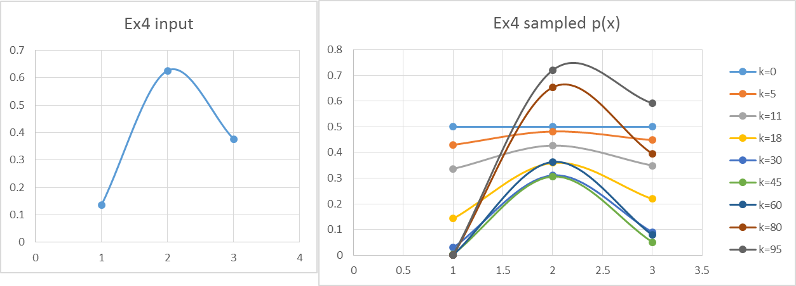
 |  |  |  | 16 | 0.64459212248 | 0.46280825666 | 0.33288583784 |  |  |  |  | 16 | 0.37449772438 | 0.52895000193 | 0.56027185528
 |  |  |  | 17 | 0.62935337231 | 0.46830017099 | 0.31425217148 |  |  |  |  | 17 | 0.35280388193 | 0.53004700574 | 0.57080671785
 |  |  |  | 18 | 0.63733793064 | 0.46192929087 | 0.29876133697 |  |  |  |  | 18 | 0.33308699981 | 0.53032921123 | 0.58017322984
 |  |  |  | 19 | 0.64466714436 | 0.45880237701 | 0.28199521956 |  |  |  |  | 19 | 0.31098341066 | 0.52979678317 | 0.58838407288
 |  |  |  | 20 | 0.65135386055 | 0.45891038118 | 0.2641590109 |  |  |  |  | 20 | 0.29099701666 | 0.52844941288 | 0.59545366261
 |  |  |  | 21 | 0.65741097871 | 0.45728604861 | 0.24548610427 |  |  |  |  | 21 | 0.27302698816 | 0.52628636062 | 0.60139685888
 |  |  |  | 22 | 0.66285113976 | 0.45889428272 | 0.22975453928 |  |  |  |  | 22 | 0.2531576427 | 0.52330656275 | 0.60622789075
 |  |  |  | 23 | 0.66768645975 | 0.45877018132 | 0.21331534107 |  |  |  |  | 23 | 0.23181057104 | 0.51950880442 | 0.60995948327
 |  |  |  | 24 | 0.67192830438 | 0.46188094923 | 0.19958214885 |  |  |  |  | 24 | 0.20946704032 | 0.51489195821 | 0.61260217122
 |  |  |  | 25 | 0.69770475486 | 0.4531548264 | 0.1883914078 |  |  |  |  | 25 | 0.18665139545 | 0.50945528943 | 0.61889216362
 |  |  |  | 26 | 0.70067268982 | 0.45279936105 | 0.17634112113 |  |  |  |  | 26 | 0.16390649449 | 0.50819813687 | 0.62875913455
 |  |  |  | 27 | 0.68119164318 | 0.46081146767 | 0.16091616276 |  |  |  |  | 27 | 0.14421392874 | 0.50612342246 | 0.64208129771
 |  |  |  | 28 | 0.6831522798 | 0.45698972156 | 0.15068296079 |  |  |  |  | 28 | 0.13908325651 | 0.4980552666 | 0.65884283951
 |  |  |  | 29 | 0.68455946369 | 0.45640183838 | 0.14239048199 |  |  |  |  | 29 | 0.12328259793 | 0.49934491837 | 0.66964512852
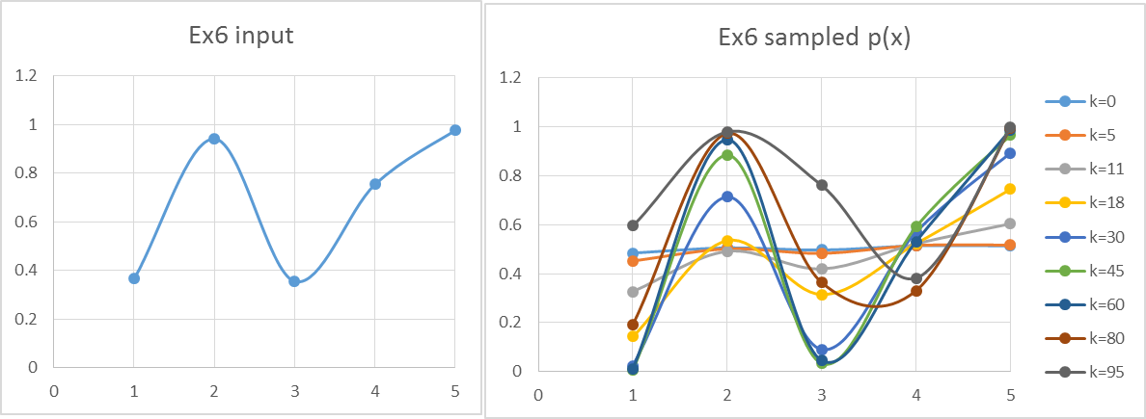
 |  |  |  | 30 | 0.68971344132 | 0.45408367855 | 0.1334965116 |  |  |  |  | 30 | 0.10965823172 | 0.49981698131 | 0.68362527398
 |  |  |  | 31 | 0.69428312487 | 0.45499463263 | 0.12634164679 |  |  |  |  | 31 | 0.097922921932 | 0.49947144692 | 0.69632280496
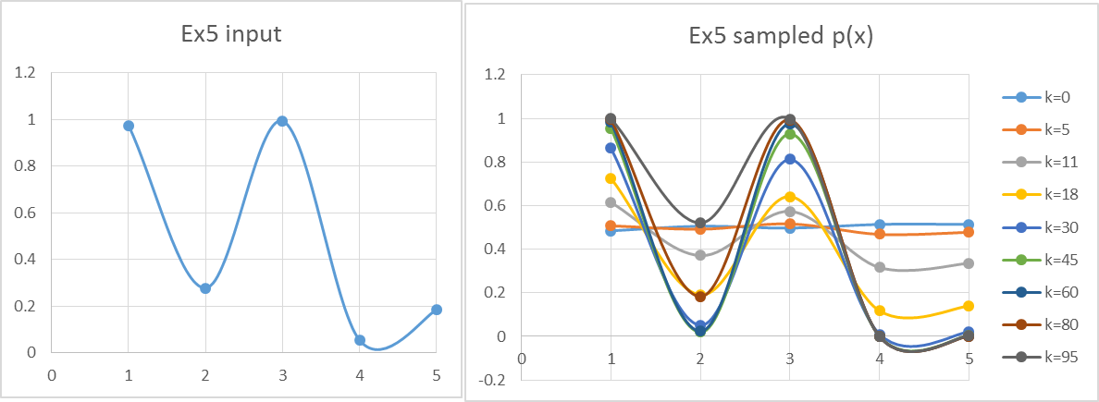
 |  |  |  | 32 | 0.69828125369 | 0.45417543228 | 0.12073349942 |  |  |  |  | 32 | 0.079924031466 | 0.50848323104 | 0.70347891214
 |  |  |  | 33 | 0.70171936338 | 0.45162766871 | 0.11447756105 |  |  |  |  | 33 | 0.071946658883 | 0.51150128566 | 0.71386126851
 |  |  |  | 34 | 0.70460765966 | 0.44735658733 | 0.10962381973 |  |  |  |  | 34 | 0.06508875418 | 0.51869626553 | 0.72311531567
 |  |  |  | 35 | 0.72779565941 | 0.43136143183 | 0.10802107339 |  |  |  |  | 35 | 0.05919011915 | 0.52506802483 | 0.73129183525
 |  |  |  | 36 | 0.70876840104 | 0.43368970383 | 0.10361836583 |  |  |  |  | 36 | 0.054114254501 | 0.53061718219 | 0.73843866295
 |  |  |  | 37 | 0.71005380431 | 0.42433365455 | 0.10230024783 |  |  |  |  | 37 | 0.049745355703 | 0.54031669576 | 0.74459979743
 |  |  |  | 38 | 0.73148568534 | 0.40350435482 | 0.10396437476 |  |  |  |  | 38 | 0.045985502915 | 0.54917620429 | 0.74981474031
 |  |  |  | 39 | 0.73171484339 | 0.39101767401 | 0.10478141912 |  |  |  |  | 39 | 0.042752123411 | 0.55719789463 | 0.75411801931
 |  |  |  | 40 | 0.71077406449 | 0.38663866588 | 0.10473351194 |  |  |  |  | 40 | 0.039215223976 | 0.56438599044 | 0.76119338219
 |  |  |  | 41 | 0.70997139119 | 0.37576288577 | 0.10774837589 |  |  |  |  | 41 | 0.036177202087 | 0.57074608156 | 0.76731876463
 |  |  |  | 42 | 0.70864445299 | 0.36339509872 | 0.11197834695 |  |  |  |  | 42 | 0.033568500209 | 0.5762845301 | 0.77253761705
 |  |  |  | 43 | 0.706789043 | 0.34961694845 | 0.11754095865 |  |  |  |  | 43 | 0.034606627134 | 0.57595979535 | 0.7804652348
 |  |  |  | 44 | 0.70439934173 | 0.33899714781 | 0.12459106171 |  |  |  |  | 44 | 0.029415880981 | 0.5946001456 | 0.7804022317
 |  |  |  | 45 | 0.70146796291 | 0.33141596955 | 0.13332470453 |  |  |  |  | 45 | 0.027782843767 | 0.60248920577 | 0.78310697913
 |  |  |  | 46 | 0.69798601554 | 0.32239492054 | 0.14398321302 |  |  |  |  | 46 | 0.026398146306 | 0.60954728416 | 0.7850229422
 |  |  |  | 47 | 0.69394318492 | 0.31200438467 | 0.15685680015 |  |  |  |  | 47 | 0.027890535539 | 0.60611203325 | 0.78963372283
 |  |  |  | 48 | 0.71090955136 | 0.29184828983 | 0.17239463446 |  |  |  |  | 48 | 0.026824957322 | 0.6115944864 | 0.79000613074
 |  |  |  | 49 | 0.6841271389 | 0.29159385406 | 0.18456717763 |  |  |  |  | 49 | 0.023479697693 | 0.62585452518 | 0.78615654567
 |  |  |  | 50 | 0.67832723238 | 0.2815940603 | 0.1993443379 |  |  |  |  | 50 | 0.025268957299 | 0.62016550384 | 0.7884886422
 |  |  |  | 51 | 0.69839755509 | 0.26636149364 | 0.21706964927 |  |  |  |  | 51 | 0.024749518254 | 0.6232722851 | 0.78658679828
 |  |  |  | 52 | 0.69591102135 | 0.25806864245 | 0.23067478871 |  |  |  |  | 52 | 0.022058116571 | 0.63508707589 | 0.78036804221
 |  |  |  | 53 | 0.67056976071 | 0.25632164322 | 0.23949765128 |  |  |  |  | 53 | 0.021868965698 | 0.6366312869 | 0.77684475071
 |  |  |  | 54 | 0.66683781882 | 0.24564027885 | 0.25084650252 |  |  |  |  | 54 | 0.021391633505 | 0.63741718493 | 0.77248503013
 |  |  |  | 55 | 0.66251846332 | 0.23761408564 | 0.26478133446 |  |  |  |  | 55 | 0.021052901303 | 0.63744687462 | 0.76725642883
 |  |  |  | 56 | 0.65760144224 | 0.23208290616 | 0.28152323192 |  |  |  |  | 56 | 0.0208465918 | 0.64133381765 | 0.76112084872
 |  |  |  | 57 | 0.65659917705 | 0.22893271976 | 0.29711646611 |  |  |  |  | 57 | 0.020768970378 | 0.64445328203 | 0.75403478165
 |  |  |  | 58 | 0.65502309681 | 0.22809732288 | 0.31567722547 |  |  |  |  | 58 | 0.023021380163 | 0.63746076869 | 0.74986326635
 |  |  |  | 59 | 0.65286950033 | 0.22955900977 | 0.33295598649 |  |  |  |  | 59 | 0.020996488199 | 0.64842194041 | 0.73681246318
 |  |  |  | 60 | 0.650133424 | 0.22978987548 | 0.35332036225 |  |  |  |  | 60 | 0.023558779417 | 0.63995836629 | 0.73067071814
 |  |  |  | 61 | 0.64680871907 | 0.22878730596 | 0.37224451904 |  |  |  |  | 61 | 0.02175201677 | 0.64939763191 | 0.71515178811
 |  |  |  | 62 | 0.66613343201 | 0.21950968649 | 0.39928140725 |  |  |  |  | 62 | 0.024703543566 | 0.63943789524 | 0.70682777309
 |  |  |  | 63 | 0.64296775177 | 0.22314136297 | 0.41475825193 |  |  |  |  | 63 | 0.023091292766 | 0.6473916611 | 0.688574588
 |  |  |  | 64 | 0.67015979206 | 0.21169075319 | 0.4385184045 |  |  |  |  | 64 | 0.024009468688 | 0.64982919043 | 0.67329404408
 |  |  |  | 65 | 0.65052765551 | 0.21625127731 | 0.45015760642 |  |  |  |  | 65 | 0.025115773216 | 0.65604375464 | 0.65661437702
 |  |  |  | 66 | 0.65341935179 | 0.21615559613 | 0.46490106259 |  |  |  |  | 66 | 0.026432013275 | 0.66593738128 | 0.63849256971
 |  |  |  | 67 | 0.65572790064 | 0.21488032503 | 0.47758653019 |  |  |  |  | 67 | 0.027984746346 | 0.67497004241 | 0.61889848296
 |  |  |  | 68 | 0.68022723338 | 0.20899747885 | 0.49336604513 |  |  |  |  | 68 | 0.032927787768 | 0.67866891729 | 0.60279970892
 |  |  |  | 69 | 0.65861563009 | 0.21895348031 | 0.49665769333 |  |  |  |  | 69 | 0.035271259919 | 0.69040307534 | 0.58519076586
 |  |  |  | 70 | 0.66368034222 | 0.22439194056 | 0.50801484099 |  |  |  |  | 70 | 0.034417092993 | 0.70966959496 | 0.56114246128
 |  |  |  | 71 | 0.69053864111 | 0.22159218789 | 0.52242425507 |  |  |  |  | 71 | 0.041182943089 | 0.71113014005 | 0.54598444524
 |  |  |  | 72 | 0.67202341532 | 0.23180571708 | 0.52932721772 |  |  |  |  | 72 | 0.040676478946 | 0.72831966333 | 0.51925713244
 |  |  |  | 73 | 0.67969182242 | 0.23729712908 | 0.53926739673 |  |  |  |  | 73 | 0.044599635814 | 0.73640673126 | 0.49647383267
 |  |  |  | 74 | 0.70840570343 | 0.23782355827 | 0.55221081272 |  |  |  |  | 74 | 0.049173241879 | 0.74371472513 | 0.47257429146
 |  |  |  | 75 | 0.69312359366 | 0.25591403183 | 0.5576949344 |  |  |  |  | 75 | 0.054510430311 | 0.75027640294 | 0.44767779856
 |  |  |  | 76 | 0.69892113087 | 0.26940131947 | 0.56617961688 |  |  |  |  | 76 | 0.060745677273 | 0.75612247657 | 0.42681957949
 |  |  |  | 77 | 0.72509173625 | 0.27774186434 | 0.58249228013 |  |  |  |  | 77 | 0.06678101927 | 0.76128130172 | 0.40512465156
 |  |  |  | 78 | 0.70875971599 | 0.30591414095 | 0.59139526534 |  |  |  |  | 78 | 0.073795134388 | 0.7657786465 | 0.3827217619
 |  |  |  | 79 | 0.71282983558 | 0.32947222017 | 0.60317771864 |  |  |  |  | 79 | 0.081950540921 | 0.7696375228 | 0.36438020093
 |  |  |  | 80 | 0.73677246861 | 0.34309406842 | 0.6177417247 |  |  |  |  | 80 | 0.091436576298 | 0.77287806707 | 0.34539790012
 |  |  |  | 81 | 0.71933491782 | 0.37893486148 | 0.62509146277 |  |  |  |  | 81 | 0.11232322053 | 0.76835211574 | 0.33491515452
 |  |  |  | 82 | 0.74577213982 | 0.39484502686 | 0.64002642025 |  |  |  |  | 82 | 0.11328269716 | 0.77756986556 | 0.31457949106
 |  |  |  | 83 | 0.75135504524 | 0.41916888327 | 0.64805268283 |  |  |  |  | 83 | 0.13750728185 | 0.77196058856 | 0.30267840456
 |  |  |  | 84 | 0.73694583428 | 0.45719097252 | 0.64936539925 |  |  |  |  | 84 | 0.14014759572 | 0.77995515521 | 0.28569048264
 |  |  |  | 85 | 0.74168583694 | 0.48879992775 | 0.65345815608 |  |  |  |  | 85 | 0.15671136393 | 0.78030107916 | 0.27249153547
 |  |  |  | 86 | 0.74588979987 | 0.51875683187 | 0.65561310151 |  |  |  |  | 86 | 0.19113271654 | 0.77302388911 | 0.26670439872
 |  |  |  | 87 | 0.74957300387 | 0.54685081553 | 0.65584705281 |  |  |  |  | 87 | 0.19752512505 | 0.77930898977 | 0.256002722
 |  |  |  | 88 | 0.77138625947 | 0.567869876 | 0.65884274746 |  |  |  |  | 88 | 0.22236676316 | 0.77796553046 | 0.25235908252
 |  |  |  | 89 | 0.75910639879 | 0.60654305036 | 0.65054430271 |  |  |  |  | 89 | 0.27033112814 | 0.76889491843 | 0.25558008339
 |  |  |  | 90 | 0.78288138012 | 0.62341260795 | 0.64970547866 |  |  |  |  | 90 | 0.27820873713 | 0.7735470837 | 0.25386184082
 |  |  |  | 91 | 0.77366105291 | 0.65695197237 | 0.63738875199 |  |  |  |  | 91 | 0.30901899659 | 0.77396623521 | 0.25522229314
 |  |  |  | 92 | 0.78176057094 | 0.67868633626 | 0.62775917705 |  |  |  |  | 92 | 0.36193418438 | 0.76660956854 | 0.26355735262
 |  |  |  | 93 | 0.80582455997 | 0.6895595423 | 0.62091796652 |  |  |  |  | 93 | 0.39035352815 | 0.76586687476 | 0.27101799115
 |  |  |  | 94 | 0.79609499623 | 0.71966654624 | 0.60211092204 |  |  |  |  | 94 | 0.41619215255 | 0.76453430999 | 0.27769904568
 |  |  |  | 95 | 0.81819174913 | 0.73089561888 | 0.59582799709 |  |  |  |  | 95 | 0.44404182546 | 0.76260494731 | 0.28763858526
 |  |  |  | 96 | 0.8081503508 | 0.75583189734 | 0.57736016043 |  |  |  |  | 96 | 0.44331927044 | 0.76741283169 | 0.29668136867
 |  |  |  | 97 | 0.82850199714 | 0.76357290279 | 0.57170264588 |  |  |  |  | 97 | 0.49031961563 | 0.75691300111 | 0.31379343976
 |  |  |  | 98 | 0.83295245519 | 0.77704009861 | 0.55882763967 |  |  |  |  | 98 | 0.48271792905 | 0.76061122919 | 0.32568040093
 |  |  |  | 99 | 0.83696459449 | 0.78879097463 | 0.54376664346 |  |  |  |  | 99 | 0.49737265294 | 0.75625660078 | 0.34594521069

working
xx=RBM(0.02,hidden_size=1,CDk=1,n_epochs=100 ) |  |  |  |  |  |  |  |  |  | xx=RBM(0.02,hidden_size=1,CDk=1,n_epochs=100 )
0.36545042415 | 0.94100184495 | 0.35561088839 | 0.75332553806 | 0.97566182214 | k | 0 | 0.48458086317 | 0.50610513512 | 0.4968864272 | 0.51426405768 | 0.51399513383 | k | 0 | 0.5 | 0.5 | 0.5
 |  |  |  |  |  | 1 | 0.48141179524 | 0.50581018623 | 0.49866444457 | 0.51303160492 | 0.51387353746 |  | 1 | 0.47001010082 | 0.50830592293 | 0.49169364327
 |  |  |  |  |  | 2 | 0.47507839765 | 0.50522027654 | 0.4972205789 | 0.51556278359 | 0.51363033979 |  | 2 | 0.48704521547 | 0.49439310349 | 0.49064779313
Ex6 input
 | 0.36545042415
 | 0.94100184495
 | 0.35561088839
 | 0.75332553806
 | 0.97566182214
Ex6 sampled p(x)
 | k=0 | k=5 | k=11 | k=18 | k=30 | k=45 | k=60 | k=80 | k=95
 | 0.48458086317 | 0.45213180846 | 0.32754680491 | 0.14284536488 | 0.024530368081 | 0.0072687739257 | 0.01091966153 | 0.1917293048 | 0.59565244854
 | 0.50610513512 | 0.50168057059 | 0.49163682744 | 0.53560166649 | 0.71417308471 | 0.88525464249 | 0.94809744551 | 0.97383755575 | 0.97984199824
 | 0.4968864272 | 0.48356312844 | 0.41993308765 | 0.31512537563 | 0.090687178284 | 0.033852323375 | 0.045777859576 | 0.36437749612 | 0.76119796688
 | 0.51426405768 | 0.51576212008 | 0.52284943064 | 0.52334427989 | 0.57028136897 | 0.59167893388 | 0.53215217523 | 0.33081413967 | 0.38233732368
 | 0.51399513383 | 0.51716667705 | 0.60440864015 | 0.74512116993 | 0.89375178728 | 0.96617663651 | 0.98862860622 | 0.99674040068 | 0.99868991634
 |  |  |  |  |  | 3 | 0.47057353054 | 0.50433538525 | 0.49255526383 | 0.51686129933 | 0.51326553123 |  | 3 | 0.45351256828 | 0.49896146931 | 0.47612222614
 |  |  |  |  |  | 4 | 0.46291671346 | 0.5031554889 | 0.48966840217 | 0.51692773416 | 0.51277909789 |  | 4 | 0.46685639077 | 0.4813182622 | 0.46886268631
 |  |  |  |  |  | 5 | 0.45213180846 | 0.50168057059 | 0.48356312844 | 0.51576212008 | 0.51716667705 |  | 5 | 0.429968287 | 0.48214766516 | 0.44823035223
 |  |  |  |  |  | 6 | 0.43826488341 | 0.49991063227 | 0.4792374764 | 0.51336392702 | 0.52143014482 |  | 6 | 0.41930136361 | 0.47594439628 | 0.43471245117
 |  |  |  |  |  | 7 | 0.42139634725 | 0.49784571018 | 0.47170218278 | 0.5147292416 | 0.53055333112 |  | 7 | 0.40454076837 | 0.46788676881 | 0.41825346966
 |  |  |  |  |  | 8 | 0.41656860726 | 0.48938192868 | 0.46407198775 | 0.50059859657 | 0.53058091014 |  | 8 | 0.38584876675 | 0.46295814313 | 0.4037857392
 |  |  |  |  |  | 9 | 0.37923636413 | 0.49283134492 | 0.44709758174 | 0.51875736838 | 0.56318312913 |  | 9 | 0.38758830015 | 0.4461032443 | 0.39145557924
 |  |  |  |  |  | 10 | 0.35441218484 | 0.48988232721 | 0.43504847362 | 0.52141933513 | 0.58157034916 |  | 10 | 0.36118370865 | 0.43753070809 | 0.37147166978
 |  |  |  |  |  | 11 | 0.32754680491 | 0.49163682744 | 0.41993308765 | 0.52284943064 | 0.60440864015 |  | 11 | 0.33619965095 | 0.42716494741 | 0.34907896015
 |  |  |  |  |  | 12 | 0.29909870226 | 0.49809616728 | 0.40668139484 | 0.52304854258 | 0.62668643865 |  | 12 | 0.2869126631 | 0.42496141709 | 0.32442706254
 |  |  |  |  |  | 13 | 0.26961508644 | 0.50426117483 | 0.39526291666 | 0.52201680254 | 0.64832842403 |  | 13 | 0.25826115641 | 0.41104936834 | 0.30669330681
 |  |  |  |  |  | 14 | 0.24337759115 | 0.51013002079 | 0.38091376002 | 0.51975354985 | 0.66926994566 |  | 14 | 0.23202666894 | 0.39548933451 | 0.28695500399
 |  |  |  |  |  | 15 | 0.22742317194 | 0.50959992709 | 0.3713256705 | 0.50199531225 | 0.67734309202 |  | 15 | 0.20815933327 | 0.38309356223 | 0.26947554606
 |  |  |  |  |  | 16 | 0.20005112727 | 0.51487686215 | 0.35600678892 | 0.50226135046 | 0.69715785278 |  | 16 | 0.18354873789 | 0.37377471636 | 0.25033581497
 |  |  |  |  |  | 17 | 0.17339973278 | 0.51985596363 | 0.33808704185 | 0.50629370419 | 0.71616655947 |  | 17 | 0.16162393695 | 0.36745467207 | 0.23346822625
 |  |  |  |  |  | 18 | 0.14284536488 | 0.53560166649 | 0.31512537563 | 0.52334427989 | 0.74512116993 |  | 18 | 0.1421948187 | 0.35945668328 | 0.2186912801
 |  |  |  |  |  | 19 | 0.12422829353 | 0.54493562228 | 0.29294303269 | 0.52490655902 | 0.76196993055 |  | 19 | 0.12505140155 | 0.35439622373 | 0.20582794774
 |  |  |  |  |  | 20 | 0.10843723344 | 0.55394657197 | 0.26915996818 | 0.5252382766 | 0.7779526156 |  | 20 | 0.12045254303 | 0.33849754957 | 0.19483042128
 |  |  |  |  |  | 21 | 0.098711936954 | 0.55661331999 | 0.24655374325 | 0.51008962662 | 0.78373350384 |  | 21 | 0.096756584123 | 0.34382525273 | 0.17630670531
 |  |  |  |  |  | 22 | 0.079254683222 | 0.57588200719 | 0.22217030756 | 0.52719786191 | 0.80734405432 |  | 22 | 0.093548379495 | 0.32927358036 | 0.16587080431
 |  |  |  |  |  | 23 | 0.067583875845 | 0.58873827998 | 0.20270349373 | 0.52882517379 | 0.82078109055 |  | 23 | 0.075072935394 | 0.33565416569 | 0.14896130955
 |  |  |  |  |  | 24 | 0.057921848895 | 0.60597701804 | 0.18260619144 | 0.52922289366 | 0.83340667903 |  | 24 | 0.06624211891 | 0.33133578472 | 0.13680589185
 |  |  |  |  |  | 25 | 0.049913176246 | 0.62267873996 | 0.16233125784 | 0.53337223982 | 0.84524679211 |  | 25 | 0.057441903357 | 0.32540233685 | 0.12632471255
 |  |  |  |  |  | 26 | 0.04326286084 | 0.63882194509 | 0.14478958151 | 0.54126020852 | 0.85633053397 |  | 26 | 0.049877390755 | 0.32225353899 | 0.11731551908
 |  |  |  |  |  | 27 | 0.037728135319 | 0.65889991313 | 0.12965234504 | 0.54790579389 | 0.86668935553 |  | 27 | 0.043376176469 | 0.31749855466 | 0.10960136095
 |  |  |  |  |  | 28 | 0.032476006599 | 0.67816611439 | 0.11456932787 | 0.55331531498 | 0.87635634945 |  | 28 | 0.037787628297 | 0.31547962947 | 0.10302934819
 |  |  |  |  |  | 29 | 0.028132952959 | 0.69659545899 | 0.10168511542 | 0.56242357893 | 0.88536562851 |  | 29 | 0.036422821239 | 0.30319355027 | 0.097535522239
 |  |  |  |  |  | 30 | 0.024530368081 | 0.71417308471 | 0.090687178284 | 0.57028136897 | 0.89375178728 |  | 30 | 0.02884382719 | 0.31094208764 | 0.08949619098
 |  |  |  |  |  | 31 | 0.021532420954 | 0.73089340358 | 0.081301431927 | 0.57690016373 | 0.90154944421 |  | 31 | 0.025279041504 | 0.31271000184 | 0.082685586111
 |  |  |  |  |  | 32 | 0.019029730548 | 0.7467590628 | 0.073290885309 | 0.58229199571 | 0.90879285963 |  | 32 | 0.021773730368 | 0.31287387934 | 0.076882444596
 |  |  |  |  |  | 33 | 0.01693417435 | 0.76177986768 | 0.066452757718 | 0.58646825411 | 0.91551562352 |  | 33 | 0.018795288087 | 0.31143233998 | 0.071956013152
 |  |  |  |  |  | 34 | 0.015174679603 | 0.77597170726 | 0.060614893992 | 0.58943873373 | 0.92175040661 |  | 34 | 0.016261017138 | 0.31267962015 | 0.067796517432
 |  |  |  |  |  | 35 | 0.013693839341 | 0.78935551483 | 0.055632004568 | 0.59121091569 | 0.92752876753 |  | 35 | 0.015604705415 | 0.30364707806 | 0.065572962163
 |  |  |  |  |  | 36 | 0.013226732146 | 0.7980489467 | 0.0519924985 | 0.57793355888 | 0.92928879242 |  | 36 | 0.012257903079 | 0.31036147974 | 0.061428461437
 |  |  |  |  |  | 37 | 0.011391137257 | 0.81380218556 | 0.04776287769 | 0.59117594056 | 0.9378360782 |  | 37 | 0.010681568974 | 0.30681576012 | 0.059082807157
 |  |  |  |  |  | 38 | 0.010501077305 | 0.82492371126 | 0.044689361574 | 0.58936868992 | 0.94242149854 |  | 38 | 0.0093311763306 | 0.30171529825 | 0.057226143967
 |  |  |  |  |  | 39 | 0.0097501994573 | 0.83535299086 | 0.042090768144 | 0.58636296032 | 0.94666333789 |  | 39 | 0.0081721395999 | 0.29928312409 | 0.055819869889
 |  |  |  |  |  | 40 | 0.0091183236345 | 0.84512314213 | 0.039908629356 | 0.58215119459 | 0.95058619696 |  | 40 | 0.0071754013348 | 0.29948301516 | 0.054835063579
 |  |  |  |  |  | 41 | 0.0091306690635 | 0.85120098461 | 0.038553927471 | 0.56764906229 | 0.95170359812 |  | 41 | 0.006316529811 | 0.29811628818 | 0.053234577312
 |  |  |  |  |  | 42 | 0.0081491311358 | 0.8628203446 | 0.036610531844 | 0.58470805927 | 0.95756611983 |  | 42 | 0.0054651744429 | 0.29937339758 | 0.052048473803
 |  |  |  |  |  | 43 | 0.0077878348041 | 0.87081416655 | 0.035424089735 | 0.58661537143 | 0.96066521884 |  | 43 | 0.0047408518282 | 0.29906399575 | 0.051252240538
 |  |  |  |  |  | 44 | 0.0074966233789 | 0.87828172753 | 0.03451092446 | 0.58732485441 | 0.96352949472 |  | 44 | 0.0041232965344 | 0.30138511812 | 0.050829553927
 |  |  |  |  |  | 45 | 0.0072687739257 | 0.88525464249 | 0.033852323375 | 0.59167893388 | 0.96617663651 |  | 45 | 0.0035956385646 | 0.3063713891 | 0.050771792963
 |  |  |  |  |  | 46 | 0.0070991345761 | 0.89176343502 | 0.033434943402 | 0.59483022446 | 0.96862310398 |  | 46 | 0.0031438147954 | 0.30980252218 | 0.051077782008
 |  |  |  |  |  | 47 | 0.0069839335411 | 0.89783740504 | 0.033250397092 | 0.59678713184 | 0.97088419007 |  | 47 | 0.0027560843078 | 0.31164865605 | 0.051753755705
 |  |  |  |  |  | 48 | 0.006920641344 | 0.90350453765 | 0.033294993205 | 0.59755511633 | 0.97297408477 |  | 48 | 0.0024226293325 | 0.31189403411 | 0.052813545028
 |  |  |  |  |  | 49 | 0.0069078794649 | 0.90879144653 | 0.032926786886 | 0.59713637098 | 0.97490593937 |  | 49 | 0.0021352266177 | 0.31053657856 | 0.054278989601
 |  |  |  |  |  | 50 | 0.0069453709181 | 0.91372334597 | 0.032787312253 | 0.59552969652 | 0.97669192997 |  | 50 | 0.0018869766596 | 0.31186369572 | 0.056180587271
 |  |  |  |  |  | 51 | 0.0070339303532 | 0.91832404603 | 0.032873778179 | 0.59273056946 | 0.97834331969 |  | 51 | 0.0016720804435 | 0.31158800701 | 0.057465496578
 |  |  |  |  |  | 52 | 0.0071754931993 | 0.92261596634 | 0.033187914261 | 0.58873140539 | 0.97987051894 |  | 52 | 0.0014856551926 | 0.30971184747 | 0.059195873478
 |  |  |  |  |  | 53 | 0.0073731852694 | 0.92662016444 | 0.033736024315 | 0.58352202446 | 0.98128314352 |  | 53 | 0.0013235821442 | 0.31051685289 | 0.061407496147
 |  |  |  |  |  | 54 | 0.008113153489 | 0.92875727992 | 0.034946790201 | 0.56310383398 | 0.98160583093 |  | 54 | 0.0011823806382 | 0.30972237287 | 0.064146648766
 |  |  |  |  |  | 55 | 0.0079561424974 | 0.93384305892 | 0.035583572692 | 0.56942321853 | 0.98379948842 |  | 55 | 0.0010591038323 | 0.31160912796 | 0.066223889063
 |  |  |  |  |  | 56 | 0.0083548877144 | 0.93709745409 | 0.036921001925 | 0.56050772675 | 0.98491895237 |  | 56 | 0.00095125221118 | 0.31620379089 | 0.067573464059
 |  |  |  |  |  | 57 | 0.0088372317741 | 0.9401356356 | 0.03856957375 | 0.55527663778 | 0.98595542578 |  | 57 | 0.00085670175044 | 0.32356966664 | 0.069433399748
 |  |  |  |  |  | 58 | 0.01000825368 | 0.94164499083 | 0.041052074609 | 0.53464437611 | 0.98617216765 |  | 58 | 0.00085735759513 | 0.32481386466 | 0.073237489253
 |  |  |  |  |  | 59 | 0.010103173948 | 0.94562219609 | 0.042949588337 | 0.54110595471 | 0.98780457099 |  | 59 | 0.00077634601796 | 0.33786334266 | 0.076295189756
 |  |  |  |  |  | 60 | 0.01091966153 | 0.94809744551 | 0.045777859576 | 0.53215217523 | 0.98862860622 |  | 60 | 0.00063606266418 | 0.36338595655 | 0.078507252482
 |  |  |  |  |  | 61 | 0.011886889934 | 0.95041034217 | 0.049113972061 | 0.5219467807 | 0.9893924523 |  | 61 | 0.0006417677959 | 0.37344924316 | 0.084495162785
 |  |  |  |  |  | 62 | 0.013032349903 | 0.95257204042 | 0.053035849219 | 0.51049026874 | 0.99010073261 |  | 62 | 0.00052865935505 | 0.40124803852 | 0.088125155202
 |  |  |  |  |  | 63 | 0.014389889514 | 0.95459288509 | 0.057637130129 | 0.50278932391 | 0.99075770548 |  | 63 | 0.00048393157827 | 0.41793245015 | 0.094283363853
 |  |  |  |  |  | 64 | 0.01700222974 | 0.9554545317 | 0.063769478764 | 0.47959693183 | 0.99087465016 |  | 64 | 0.00044419376237 | 0.43297045565 | 0.10150894662
 |  |  |  |  |  | 65 | 0.017917931372 | 0.95824966592 | 0.069348049594 | 0.48369011344 | 0.99193310749 |  | 65 | 0.00040882897692 | 0.45123220551 | 0.1099561631
 |  |  |  |  |  | 66 | 0.020203711543 | 0.95990271589 | 0.075345150592 | 0.47231011222 | 0.99245847635 |  | 66 | 0.00041814915656 | 0.45764578876 | 0.12201112133
 |  |  |  |  |  | 67 | 0.022937560736 | 0.96144923456 | 0.082351150204 | 0.45973320031 | 0.99294646456 |  | 67 | 0.00034915893318 | 0.48749644619 | 0.13126266655
 |  |  |  |  |  | 68 | 0.026217465212 | 0.96289627472 | 0.090529107161 | 0.4509348983 | 0.99339989577 |  | 68 | 0.00032399313292 | 0.51039735791 | 0.1445660063
 |  |  |  |  |  | 69 | 0.030165088314 | 0.96425036323 | 0.10006986478 | 0.44095064818 | 0.99382137155 |  | 69 | 0.00030146016365 | 0.53139348026 | 0.15998010228
 |  |  |  |  |  | 70 | 0.034931501782 | 0.96551753895 | 0.11119491579 | 0.43471262696 | 0.99421328925 |  | 70 | 0.00028125850537 | 0.55042970956 | 0.17489128688
 |  |  |  |  |  | 71 | 0.040704112737 | 0.96670338812 | 0.12415853541 | 0.42728749493 | 0.99457785836 |  | 71 | 0.00029161367048 | 0.55746882525 | 0.19528334376
 |  |  |  |  |  | 72 | 0.050597738502 | 0.96704356379 | 0.14074793709 | 0.40487099312 | 0.9946259524 |  | 72 | 0.00024683253343 | 0.58256549623 | 0.21169930912
 |  |  |  |  |  | 73 | 0.056249525538 | 0.96885138408 | 0.15678397749 | 0.40895604273 | 0.99523293875 |  | 73 | 0.00023217934908 | 0.59569353382 | 0.23413638176
 |  |  |  |  |  | 74 | 0.066657941167 | 0.96982272527 | 0.17711020104 | 0.39810650985 | 0.99552705953 |  | 74 | 0.00021899125029 | 0.60690385998 | 0.25579141087
 |  |  |  |  |  | 75 | 0.0793638493 | 0.97073118342 | 0.20058633079 | 0.39093763698 | 0.99580107521 |  | 75 | 0.0002071152077 | 0.61623618871 | 0.28023649524
 |  |  |  |  |  | 76 | 0.10030491827 | 0.97089838003 | 0.22976284169 | 0.36926074942 | 0.9958302878 |  | 76 | 0.00019641711342 | 0.62373072342 | 0.30341471719
 |  |  |  |  |  | 77 | 0.11177435784 | 0.97237425293 | 0.25836871714 | 0.37327405658 | 0.99629457201 |  | 77 | 0.00018677933336 | 0.62942437891 | 0.32489601398
 |  |  |  |  |  | 78 | 0.13208582027 | 0.97311556729 | 0.28910978586 | 0.36285160748 | 0.99651666829 |  | 78 | 0.00017809860745 | 0.63797977611 | 0.34884851832
 |  |  |  |  |  | 79 | 0.15640426393 | 0.97380744438 | 0.32347527678 | 0.35143116623 | 0.99672390722 |  | 79 | 0.00017028424647 | 0.64473803721 | 0.37067583919
 |  |  |  |  |  | 80 | 0.1917293048 | 0.97383755575 | 0.36437749612 | 0.33081413967 | 0.99674040068 |  | 80 | 0.00016325658212 | 0.65427738107 | 0.39484206047
 |  |  |  |  |  | 81 | 0.21274148421 | 0.97505363344 | 0.4030484334 | 0.33469051704 | 0.99709801297 |  | 81 | 0.00015694563395 | 0.66648380366 | 0.42136808222
 |  |  |  |  |  | 82 | 0.24431980109 | 0.97561279855 | 0.44285641582 | 0.32924712592 | 0.99726678235 |  | 82 | 0.00015128996218 | 0.6768379604 | 0.44527337195
 |  |  |  |  |  | 83 | 0.28888685868 | 0.97555661647 | 0.48829992089 | 0.31042278515 | 0.9972765869 |  | 83 | 0.00016207036346 | 0.67656985466 | 0.47149895912
 |  |  |  |  |  | 84 | 0.30820259017 | 0.9766139897 | 0.52452105755 | 0.31962735243 | 0.99757198258 |  | 84 | 0.00014173560694 | 0.69227073638 | 0.48938793209
 |  |  |  |  |  | 85 | 0.33910837936 | 0.97705979085 | 0.56037928103 | 0.31976946447 | 0.99770991666 |  | 85 | 0.00013774853351 | 0.69747058433 | 0.50937513675
 |  |  |  |  |  | 86 | 0.38769792261 | 0.97692720762 | 0.5955137342 | 0.30657445173 | 0.99771480825 |  | 86 | 0.00013423860016 | 0.70105583981 | 0.52622428108
 |  |  |  |  |  | 87 | 0.40544894386 | 0.97785009131 | 0.62084001008 | 0.31684153442 | 0.99795979819 |  | 87 | 0.00013117475851 | 0.70305819248 | 0.5448816032
 |  |  |  |  |  | 88 | 0.43545739573 | 0.97819748507 | 0.64542527491 | 0.31810977817 | 0.99807293661 |  | 88 | 0.00014244809966 | 0.69493577887 | 0.56545095563
 |  |  |  |  |  | 89 | 0.46776548619 | 0.97851475687 | 0.66640673323 | 0.32266470776 | 0.99817892783 |  | 89 | 0.00012628254315 | 0.70237234292 | 0.57264053053
 |  |  |  |  |  | 90 | 0.49717343718 | 0.978803044 | 0.68397008556 | 0.33057917287 | 0.998278263 |  | 90 | 0.00013788429623 | 0.69530974601 | 0.58685868722
 |  |  |  |  |  | 91 | 0.52343616419 | 0.97906337204 | 0.70251211056 | 0.3374867658 | 0.99837139725 |  | 91 | 0.0001229040502 | 0.70794674085 | 0.58791921652
 |  |  |  |  |  | 92 | 0.54642642652 | 0.97929666056 | 0.72184123254 | 0.34335125588 | 0.99845875246 |  | 92 | 0.00012174505635 | 0.71046110221 | 0.59098342474
 |  |  |  |  |  | 93 | 0.56610572843 | 0.97950372824 | 0.73789365771 | 0.35269595504 | 0.99854071983 |  | 93 | 0.00012092579447 | 0.71551870496 | 0.59102961233
 |  |  |  |  |  | 94 | 0.58249565311 | 0.97968529745 | 0.75093363297 | 0.36564223586 | 0.99861766222 |  | 94 | 0.00012043952687 | 0.71901476078 | 0.59289432582
 |  |  |  |  |  | 95 | 0.59565244854 | 0.97984199824 | 0.76119796688 | 0.38233732368 | 0.99868991634 |  | 95 | 0.00012028226874 | 0.72098304799 | 0.59174705844
 |  |  |  |  |  | 96 | 0.60564617038 | 0.97997437177 | 0.76888597441 | 0.39813208738 | 0.99875779471 |  | 96 | 0.00012045273368 | 0.72144291557 | 0.5924179765
 |  |  |  |  |  | 97 | 0.61254464733 | 0.98008287333 | 0.77415384774 | 0.41780207902 | 0.9988215875 |  | 97 | 0.00012095231618 | 0.72039891827 | 0.59007539301
 |  |  |  |  |  | 98 | 0.61640195806 | 0.98016787481 | 0.77711180229 | 0.43652321401 | 0.99888156423 |  | 98 | 0.00012178511059 | 0.71784073442 | 0.58470366034
 |  |  |  |  |  | 99 | 0.61725089483 | 0.98022966673 | 0.78125988165 | 0.45420370948 | 0.99893797535 |  | 99 | 0.00012295796716 | 0.71374335413 | 0.57626943259

